tank 1
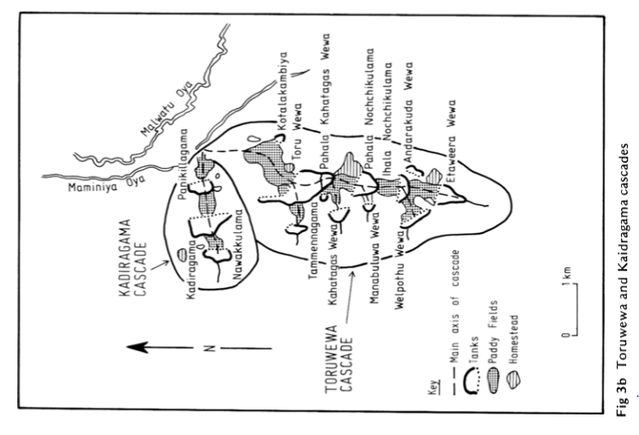
Selected lake | Nawakkulama |  |  | Selected Cascade data
Catchment area (km2) | 0.49 |  |  | Tank name | Catchment Area (Km2) | Storage capacity (HM/10000m3) | Irrigable Area (ha) |  |  | Yala season: May to August
Lake surface area (m2) | 75000 |  |  | Nawakkulama | 0.49 | 7.4 | 3.84 |  |  | Maha season: November to february | September to march
Cultivated area (m2) | 38400 |  |  | Kadiragama | 1.78 | 24.69 | 14.71 |  |  | Around 115 to 120 days are needed for the paddy cultivation
Interceptor area (km2) | 0.0234 |  |  | Panikillagama | 2.51 | 7.4 | 9.51

 | Rainfall data |  |  | Evaporation data |  | Evapotranspiration data |  |  |  | Water usage for paddy cultivation
Month | Rainfall (mm = l/m2) | Catchment area (m2) | Rainfall to catchment (m3) | Meyer's evaporation (mm = l/m2) | Evaporation from tank (m3) | Evapotranspiration (mm) | Evapotranpiration from paddy fields (m3) | Evapotranspiration from catchment forest | Evapotranspiration from interceptor (m3) | Water usage for paddy cultivation (cm) | Water usage (m3)
 |  |  | (product of B and C) | (Obtained from calculation) | (Multiply value E by tank area) | (Data from publication) | (Multiply value G with paddy cultivated area) | (Multiply value G with cathment area) | (Obtain in a similar way) | (Obtained from literature)
January | 31 | 490000 | 15190 | 54.07 | 4055.37 | 9.16 | 351.74 | 4488.4 | 214.344 | 6.5 | 2496
Feburary | 34 | 490000 | 16660 | 62.63 | 4697.47 | 9.16 | 351.74 | 4488.4 | 214.344 | 3.75 | 1440
March | 43 | 490000 | 21070 | 92.53 | 6939.49 | 9.16 | 351.74 | 4488.4 | 214.344 | 0 | 0
April | 104 | 490000 | 50960 | 85.21 | 6390.56 | 9.16 | 351.74 | 4488.4 | 214.344 | 0 | 0
May | 74 | 490000 | 36260 | 85.20 | 6390.24 | 14.48 | 556.03 | 7095.2 | 338.832 | 4 | 1536
June | 20 | 490000 | 9800 | 99.37 | 7452.90 | 14.48 | 556.03 | 7095.2 | 338.832 | 6.5 | 2496
July | 25 | 490000 | 12250 | 104.35 | 7826.33 | 14.48 | 556.03 | 7095.2 | 338.832 | 6.5 | 2496
August | 31 | 490000 | 15190 | 103.75 | 7781.23 | 14.48 | 556.03 | 7095.2 | 338.832 | 3.75 | 1440
September | 57 | 490000 | 27930 | 97.35 | 7301.58 | 9.16 | 351.74 | 4488.4 | 214.344 | 0 | 0
October | 205 | 490000 | 100450 | 75.94 | 5695.58 | 9.16 | 351.74 | 4488.4 | 214.344 | 0 | 0
November | 162 | 490000 | 79380 | 49.89 | 3742.04 | 9.16 | 351.74 | 4488.4 | 214.344 | 4 | 1536
December | 107 | 490000 | 52430 | 47.05 | 3528.50 | 9.16 | 351.74 | 4488.4 | 214.344 | 6.5 | 2496

 | Km | Temperature (Celcius) | ew | Relative humidity | ea | ew-ea | u (ms-1) | u(km/hr) | E(lake evaporation in mm/day | number of days | lake evaporation per month (mm)
January | 0.36 | 25.05 | 23.84 | 0.81 | 19.31 | 4.53 | 4 | 1.11 | 1.74 | 31 | 54.07
February | 0.36 | 26.3 | 25.68 | 0.77 | 19.77 | 5.91 | 3 | 0.83 | 2.24 | 28 | 62.63
March | 0.36 | 28.15 | 28.62 | 0.72 | 20.60 | 8.01 | 2 | 0.56 | 2.98 | 31 | 92.53
April | 0.36 | 29.25 | 30.50 | 0.75 | 22.87 | 7.62 | 2 | 0.56 | 2.84 | 30 | 85.21
May | 0.36 | 29.1 | 30.24 | 0.76 | 22.98 | 7.26 | 3 | 0.83 | 2.75 | 31 | 85.20
June | 0.36 | 29.1 | 30.24 | 0.72 | 21.77 | 8.47 | 5 | 1.39 | 3.31 | 30 | 99.37
July | 0.36 | 29.05 | 30.15 | 0.71 | 21.41 | 8.74 | 4 | 1.11 | 3.37 | 31 | 104.35
August | 0.36 | 28.95 | 29.98 | 0.71 | 21.28 | 8.69 | 4 | 1.11 | 3.35 | 31 | 103.75
September | 0.36 | 28.7 | 29.54 | 0.71 | 20.98 | 8.57 | 3 | 0.83 | 3.25 | 30 | 97.35
October | 0.36 | 27.85 | 28.12 | 0.77 | 21.65 | 6.47 | 3 | 0.83 | 2.45 | 31 | 75.94
November | 0.36 | 26.4 | 25.83 | 0.83 | 21.44 | 4.39 | 3 | 0.83 | 1.66 | 30 | 49.89
December | 0.36 | 25.6 | 24.64 | 0.84 | 20.70 | 3.94 | 4 | 1.11 | 1.52 | 31 | 47.05

